Readme
Update Twitter Archive with Google Drive
Created by mhawksey. Read more about this at:
http://mashe.hawksey.info/2013/01/sync-twitter-archive-with-google-drive
With this spreadsheet you can:
- automatically keep your Twitter Archive up-to-date with your latest status updates
Instructions:
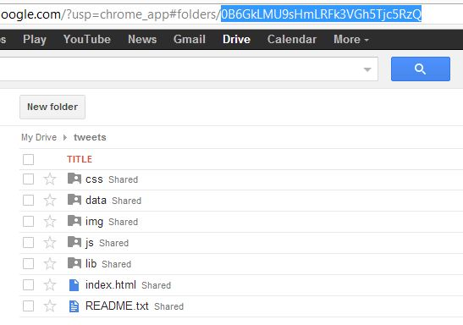
Authorize/Add Sync Menu
1. If you haven't already File > Make a copy of this template 2. Make sure your Twitter Archive has been extracted and uploaded to a folder in Google Drive (when uploading make sure file conversion is off H/T @samplereality) 2. Click Authorize/Add Sync Menu button twice (once to authorize, second time to display menu option) --> 3. Click Sync Twitter Setup > Set Archive Path and enter the ID of the folder where your Twitter Archive has been uploaded (indicated below)
4. Click Sync Twitter Setup > API Athentication and follow instructions 5. Once authenticated you can click Sync Twitter Setup > Update Archive Now for a manual refresh or turn on the auto-refresh which will automatically update archive files every day
Usage notes
If you use the Google Drive Desktop app files will be synced there or if the archive folder is made public on the web it can be viewed online. Mine is at:
https://googledrive.com/host/0B6GkLMU9sHmLRFk3VGh5Tjc5RzQ/

If you have made yours public it will be at:
https://script.google.com/macros/s/AKfycbwrXr8ejYjHwGEO6kj8f4WHIh096ARDRHdNOgAXPqGltoa80FU/exec?folder_id=0B17qAKyMU5lJMXR3Q2l4OTB0djA

Demonstration Video on YouTube

